Sheet1
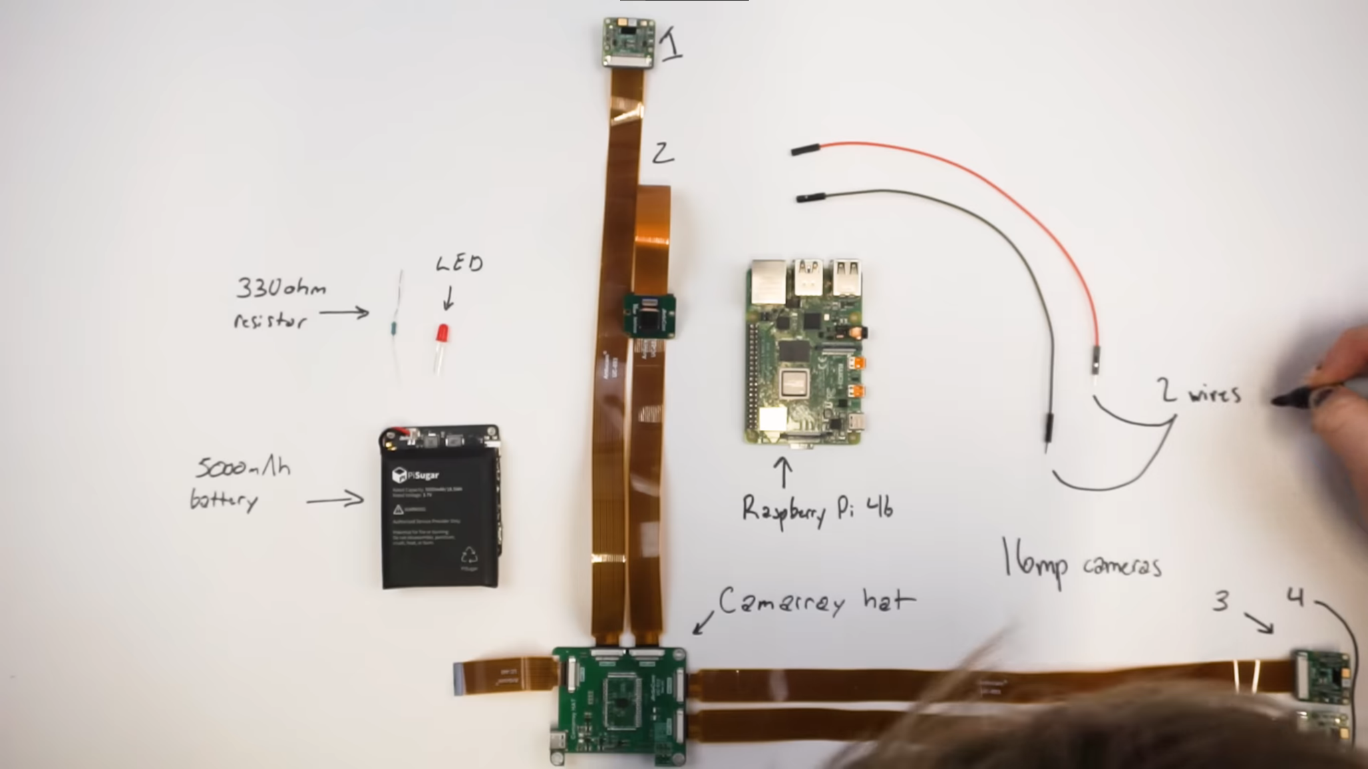
Price | Part | Link
320 | Camarray HAT & Cameras | https://www.uctronics.com/arducam-12mp-4-imx477-quadrascopic-camera-bundle-kit-raspberry-pi-nvidia-jetson%20nano.html
200 | Camarray HAT & Cameras | https://www.uctronics.com/camera-modules/camera-for-raspberry-pi/arducam-12mp-imx708-quad-camera-kit-wide-angle-stereo-synchronized-camera-module-for-raspberry-pi.html
170 | Camarray HAT & Cameras | https://www.uctronics.com/camera-modules/camera-for-raspberry-pi/16mp%20synchronized%20quad-camera%20kit.html
139 | Camarray HAT & Cameras | https://www.uctronics.com/camera-modules/camera-for-raspberry-pi/arducam-1mp-4-quadrascopic-camera-bundle-kit-imx219-raspberry%20pi-nvidia-jetson-nano-xavier-nx,.html

55 | Raspberry Pi 4b 4GB | https://www.adafruit.com/product/4296
45 | Raspberry Pi 4b 2GB | https://www.adafruit.com/product/4295

50 | PiSugar3 Plus | https://a.co/d/1oStHeO
50 | PiSugar2 Plus | https://a.co/d/bhYGM9O
30 | PiSugar S Pro | https://a.co/d/dbIsF8b

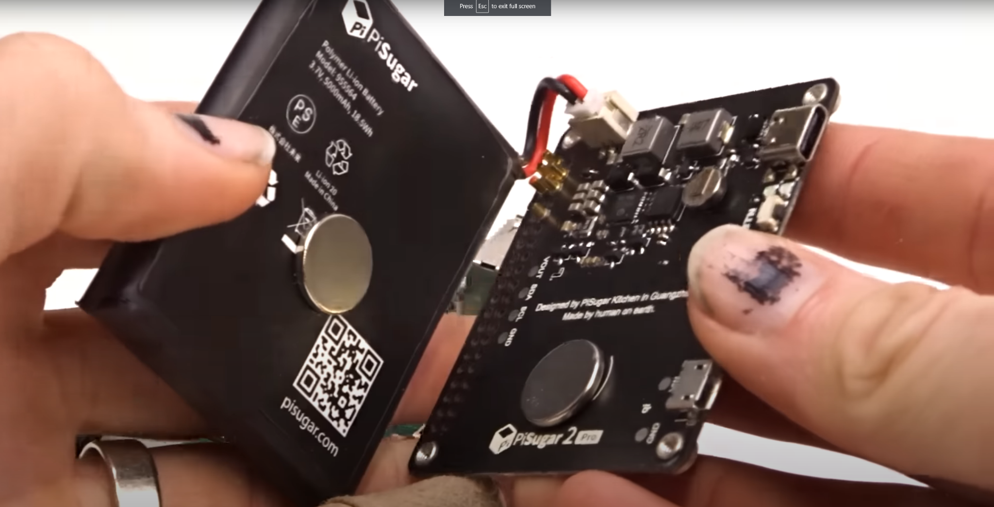

 |  |  | Can I rebuild this 40 year old 3D camera into a digital one?

